Control
Team 3176 Scouting
 | Indiana MISH

Match Scouting Data Entry

Pit Scouting
Data Entry

Image Maps
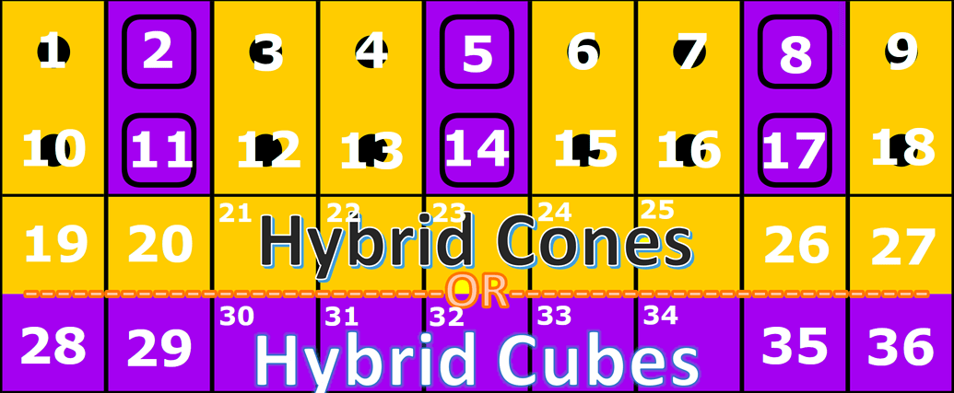
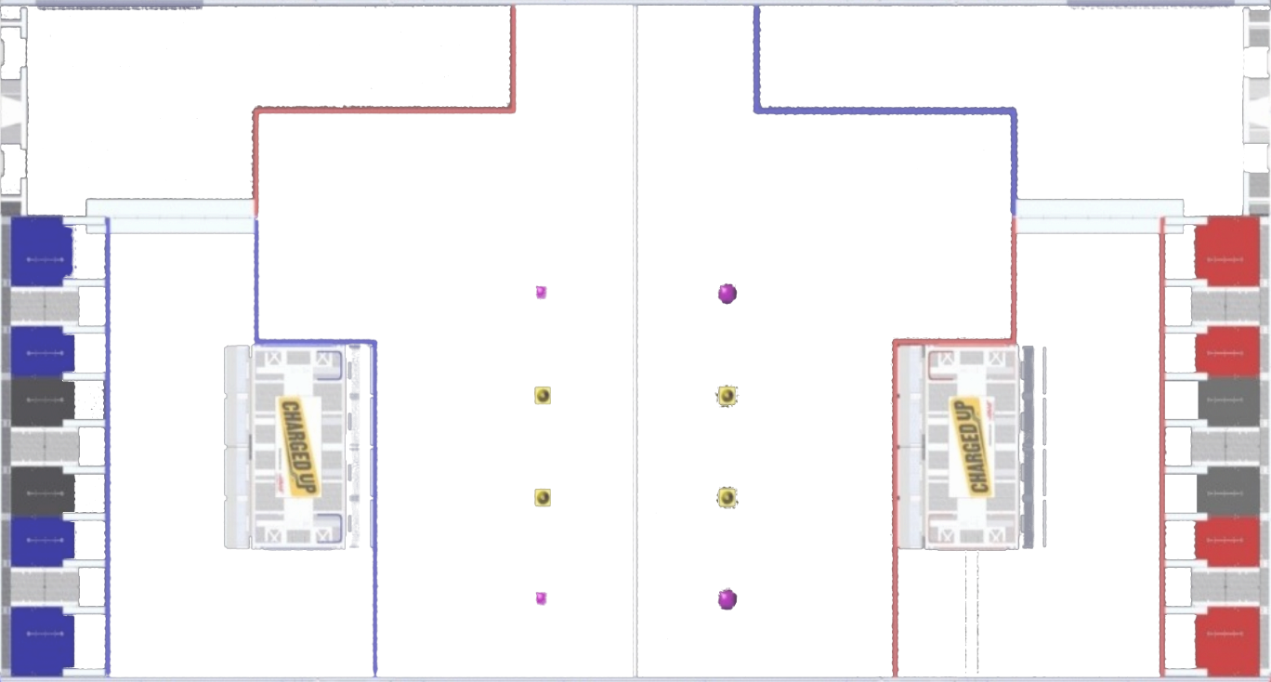
1 | 2 | 3 | 4 | 5 | 6 | 7 | 8 | 9 | 10 | 11 | 12
13 | 14 | 15 | 16 | 17 | 18 | 19 | 20 | 21 | 22 | 23 | 24
25 | 26 | 27 | 28 | 29 | 30 | 31 | 32 | 33 | 34 | 35 | 36
37 | 38 | 39 | 40 | 41 | 42 | 43 | 44 | 45 | 46 | 47 | 48
49 | 50 | 51 | 52 | 53 | 54 | 55 | 56 | 57 | 58 | 59 | 60
61 | 62 | 63 | 64 | 65 | 66 | 67 | 68 | 69 | 70 | 71 | 72

